TIMBERLAND
IMAGE | STYLE | GENDER | DESCRIPTION | COLOUR | FITTING | SIZE US | SIZE EU | UNITS | WHS | RTL | TOT WHS
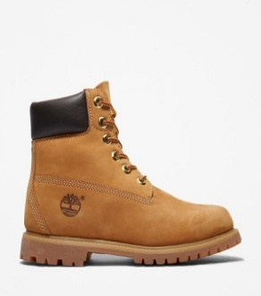 | TB1100617131 | Man | TIMBERLAND PREMIUM 6 INCH LACE UP WATERPROOF BOOT WHEAT | WHEAT | Medium-wide | 7 | 40 | 129 | 104.60 € | 230.00 € | 13,493.40 €
 | TB1100617131 | Man | TIMBERLAND PREMIUM 6 INCH LACE UP WATERPROOF BOOT WHEAT | WHEAT | Medium-wide | 7.5 | 41 | 159 | 104.60 € | 230.00 € | 16,631.40 €
 | TB1100617131 | Man | TIMBERLAND PREMIUM 6 INCH LACE UP WATERPROOF BOOT WHEAT | WHEAT | Medium-wide | 8 | 41.5 | 202 | 104.60 € | 230.00 € | 21,129.20 €
 | TB1100617131 | Man | TIMBERLAND PREMIUM 6 INCH LACE UP WATERPROOF BOOT WHEAT | WHEAT | Medium-wide | 8.5 | 42 | 399 | 104.60 € | 230.00 € | 41,735.40 €
 | TB1100617131 | Man | TIMBERLAND PREMIUM 6 INCH LACE UP WATERPROOF BOOT WHEAT | WHEAT | Medium-wide | 9 | 43 | 323 | 104.60 € | 230.00 € | 33,785.80 €
 | TB1100617131 | Man | TIMBERLAND PREMIUM 6 INCH LACE UP WATERPROOF BOOT WHEAT | WHEAT | Medium-wide | 9.5 | 43.5 | 194 | 104.60 € | 230.00 € | 20,292.40 €
 | TB1100617131 | Man | TIMBERLAND PREMIUM 6 INCH LACE UP WATERPROOF BOOT WHEAT | WHEAT | Medium-wide | 10 | 44 | 151 | 104.60 € | 230.00 € | 15,794.60 €
 | TB1100617131 | Man | TIMBERLAND PREMIUM 6 INCH LACE UP WATERPROOF BOOT WHEAT | WHEAT | Medium-wide | 11 | 45 | 91 | 104.60 € | 230.00 € | 9,518.60 €
 | TB1100617131 | Man | TIMBERLAND PREMIUM 6 INCH LACE UP WATERPROOF BOOT WHEAT | WHEAT | Medium-wide | 12 | 46 | 61 | 104.60 € | 230.00 € | 6,380.60 €
 |  |  |  |  |  |  |  | 1,709 |  |  | 178,761.40 €

